1. Title Page
[Instacart Data Analysis]

Project Name: Instacart Data Analysis
Date: July 30, 2025.
Analyst Name: Shanza Khalid

Contents:
Population Flow
Consistency checks
Wrangling steps
Column derivations
Visualizations
Recommendations

Data Source:
“The Instacart Online Grocery Shopping Dataset 2017”, Accessed from www.instacart.com/datasets/grocery-shopping-2017 via Kaggle.

2. Population Flow
Title page

Population flow

Exclusion flag
Condition: max_order < 5
Obervations to be removed: 1,444,295
Final total count of order_products_all: 30,964,564

Orders_products_combined
Orders_products_merged
Orders_products_all
Total: 32,404,859

Total: 32,434,488
Total: 32,404,859

1.) The grey boxes in the first row of the population flow represent the original data sets as they were when you downloaded them. In the Total fields you need to add the count of the rows when you imported the data set into Jupyter.
2.) The second row of boxes (coloured) represents the data sets after you manipulated them, e.g., removed missing values and duplicates. In the Total fields you need to add the count of the rows after conducting these operations. This offers a visual oveview of how the data flows throughout the data consistency checks.
3.) The third row, where also the arrows are coloured, represents the merges you performed between the datasets. In the Total fields you need to add the count of the rows in the merged datasets, so that you end up with the final dataset (in the red box). Keep in mind the final dataset should be without exclusions (based on the exclusion flag).

3. Consistency checks
 |  |  |  | Title page
Consistency checks

Dataset | Missing values | Missing values treatment | Duplicates
orders | 206,209 missing values in the column 'days_since_prior_order. | flagged as first_order. | no duplicates.
products | 16 missing product names. | deleted rows with missing data. | 5 duplicates and deleted.
orders_products_prior | none. | none. | no duplicates.
customers | none. | none. | no duolicates.

4. Wrangling steps
 |  |  |  | Title page
Wrangling steps

Columns dropped | Columns renamed | Columns' type changed | Comment/Reason
 |  | order_id | data type changed, integer to string
 |  | user_id | data type changed, integer to string
 | First Name to first_name |  | maitain naming convention
 | Surnam to surname |  | maitain naming convention
 | Age to age |  | maitain naming convention
 | Gender to gender |  | maitain naming convention
 | STATE to state |  | maitain naming convention
 | fam_status to marital_status |  | maitain naming convention
 |  | first_name | data type changed, mixed to string

5. Column derivations
 |  |  |  | Title page

Column derivations and aggregations

In this tab you should add tables below that the frequences of flags/label variables that you produced after deriving them. NB: don't do this for continuous variables, only for flags.
Dataset | New column | Column/s it was derived from | Conditions
orders | first_order | days_since_prior_order | Nan
rds_prods_merge | price_range | prices | if prices <=5 then 'low-range product' if prices >=15 then 'mid-range product ' if prices>15 then 'high-range product' else 'not enough data'
ords_prods_merge | busiest_day | orders_day_of_week | if value == 0 then 'busiest days' if value == 4 then 'slowest days' else 'regularly busy'
ords_prods_merge | busiest_days | orders_day_of_week | if value == 0 or 1 then 'busiest days' if value == 3 or 4 then 'slowest days' else 'regularly busy'
ords_prods_merge | busiest_period_of_day | hour_of_day | if value == 10 or 11 then 'most orders' if value == 3 or 4 then 'fewest orders' else 'average orders'
ords_prods_merge | loyalty_flag | max_order | if value >40 then 'loyal customer' if value <=40 & >10 then 'regular customer' if value <10 then 'new customer'
ords_prods_merge | mean_spend | prices | average price per customer
ords_prods_merge | spender_flag | mean_spend | if value < 10 then 'low spender' if value >=10 then 'high customer'
ords_prods_merge | customer_frequency | days_since_prior_order | if value <20 then 'non_frequent_customer' if value <=20 & >10 then 'regular customer' if value >10 then 'frequent customer'
orders_products_customers | region | state | List of region of United States
orders_products_customers | activity_flag | max_order | if value <5 then 'low-activity customer' if value >=5 then 'high-activity customer'
low_activity_excluded | income_group | income | if value >150000 then 'high income' if value >=55000 & <150000 then 'middle income' if value <55000 then 'low income'
low_activity_excluded | age_group | age | if value >64 then 'senior' if value >44 & <=64 then 'middle aged' if value >25 & <=44 then 'adult' if value <=25 then 'young adult'
low_activity_excluded | dependants_flag | n_dependants | if value ==0 then 'no dependants' if value >=1 then 'has dependants'

First_order |  | price_range
False 30328763 |  | Mid-range product 652638
True 2076096 |  | Low-range product 338018
Name: count, dtype:int64 |  | High-range 9344
 |  | Name: count, dtype: int64

busiest_period_of_day |  | Busiest_day
Most orders 10467487 |  | Regular busy 729645
Average orders 4955929 |  | Busiest day 193250
Fewest orders 639978 |  | Least busy 125680
Name: count, dtype: int64 |  | Name: count, dtype: int64

Busiest days |  | Loyalty_flag
Regularly busy 420848 |  | Regular customer 7857972
Busiest days 375422 |  | Loyal customer 5112638
Slowest days 252305 |  | New customer 3092784
Name: count, dtype: int64 |  | Name: count, dtype: int64

spender_flag |  | Frequency_flag
Low_spender 15583846 |  | Frequent customer 11287520
High_spender 479548 |  | Regular customer 3427275
Name: count, dtype: int64 |  | Non-frequent customer 1348599
 |  | Name: count, dtype: int64

activity_flag |  | income_group
high-activity customer 15342287 |  | middle-income 11185253
low-activity customer 721107 |  | low-income 2230519
Name: count, dtype: int64 |  | high-income 1926515
 |  | Name: count, dtype: int64

dependants_flag |  | age_group
has dependants 11506233 |  | middle-aged 4794149
no dependants 3836054 |  | adult 4564750
Name: count, dtype: int64 |  | senior 4063574
 |  | young adult 1919814
 |  | Name: count, dtype: int64

6. Visualizations
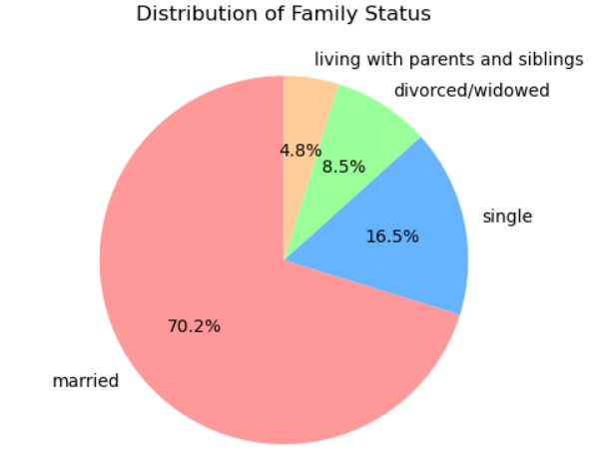
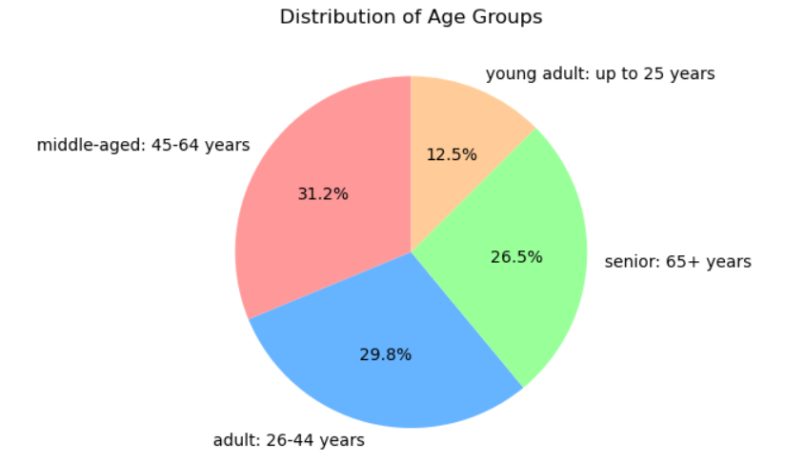
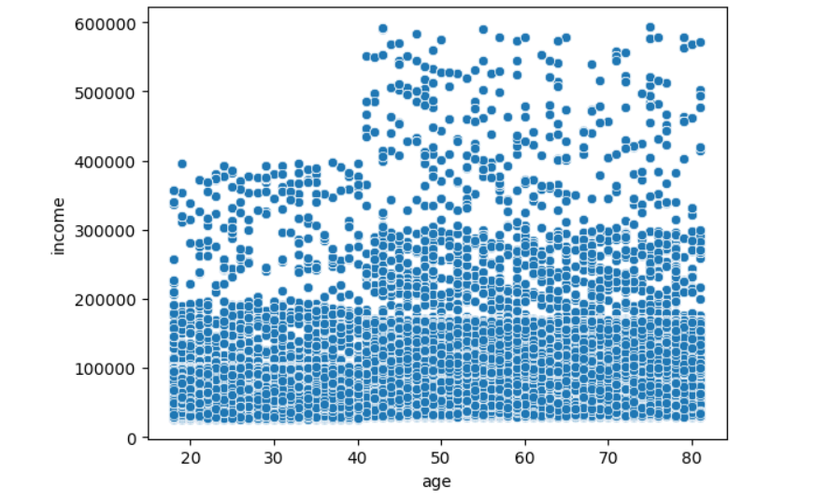
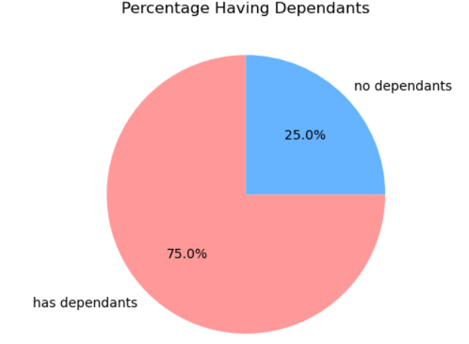
 | Title page

Visualisations

Question
From the sales team: What are the busiest days of the week and hours of the day?

Commentry
1.Saturday and Sunday are the busiest days of the week where Tuesday and Wednesday are least busy days.
2. The most arders are placed between 9am to 4pm wit h peak hours around 10am to 2pm.

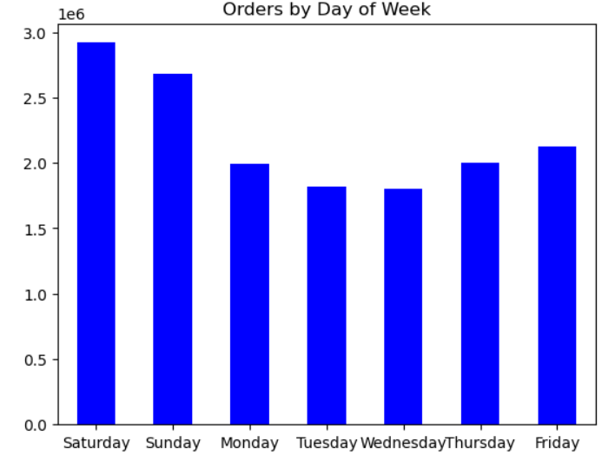
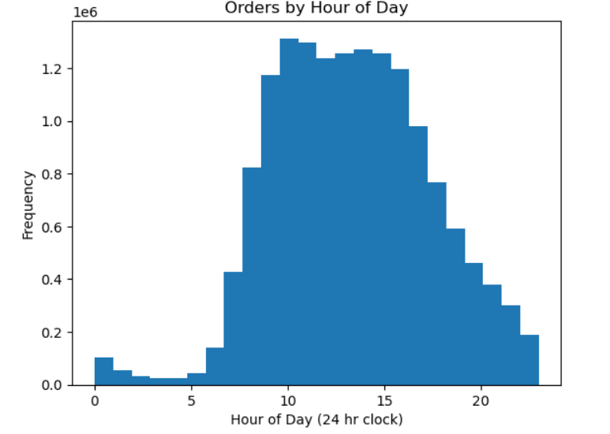

Question
From the sales team: Are there particular times of day when people spend most money?

Commentry
Sales are higher in the morning.

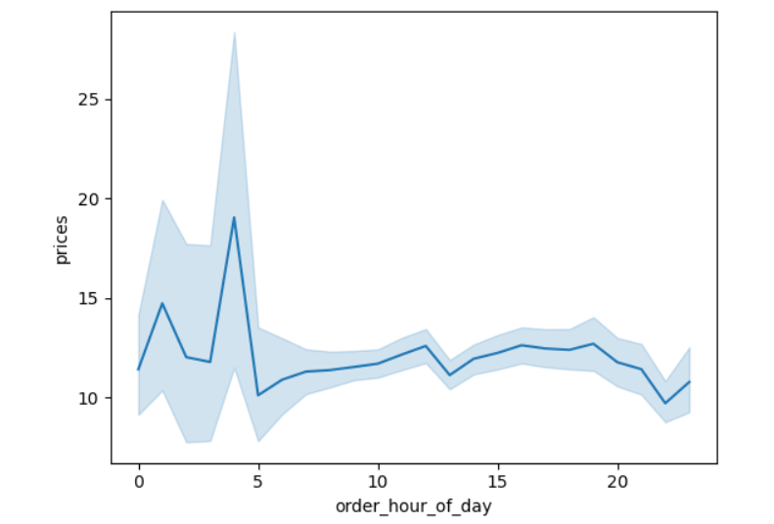

Question
Marketing and sales team: Are there certain products that are more popular than others?

Commentry
Produce, dairy eggs, snacks and beverages are the highest seller in the department.
This is both in an age group and regional breakdown as well.

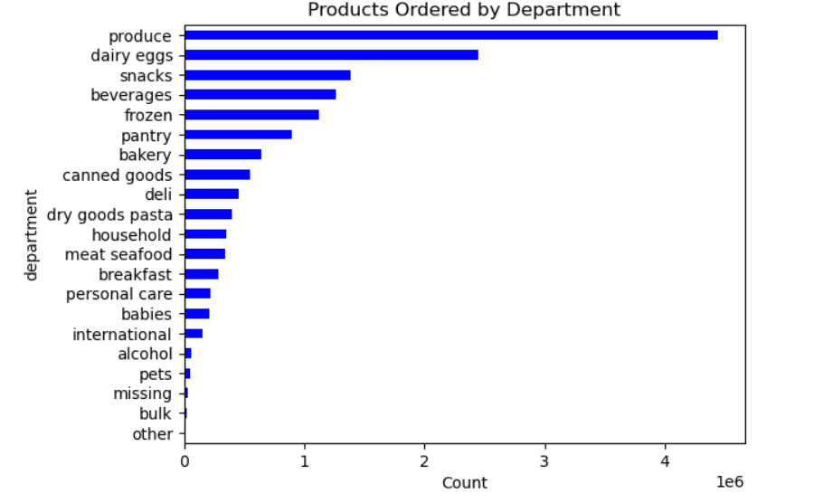

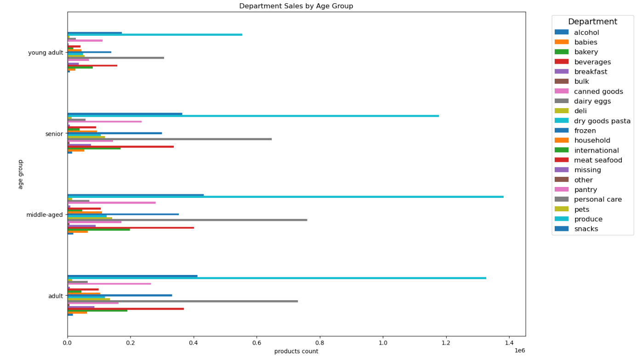

Question
Marketing and sales team: Is there a connection between age and family status and ordering habits?

Commentry
Most customers are adult or middle_aged, married and have dependants.
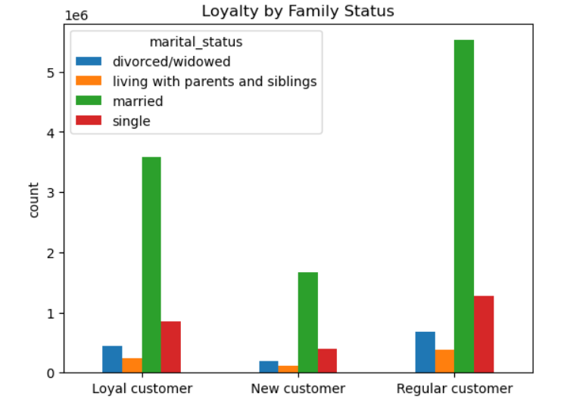
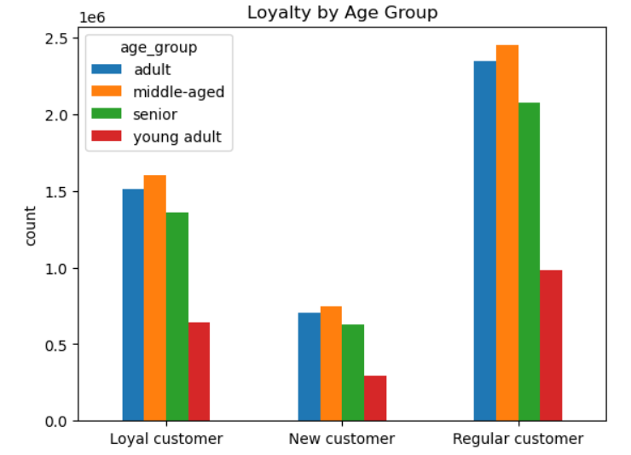

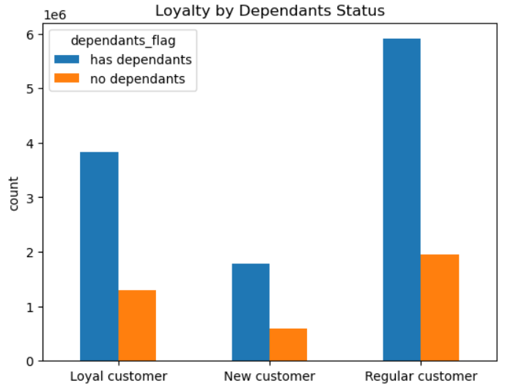

Question
Marketing and sales team: What is the distribution among users as to how often they return to instacart?

Commentry
Most customers are middle-aged and middle-income.

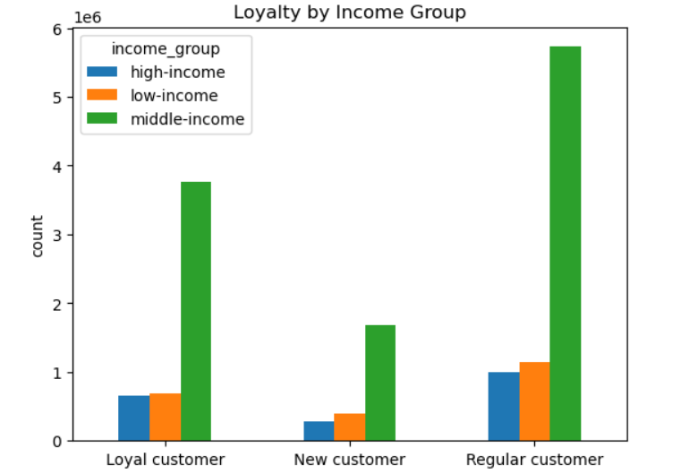

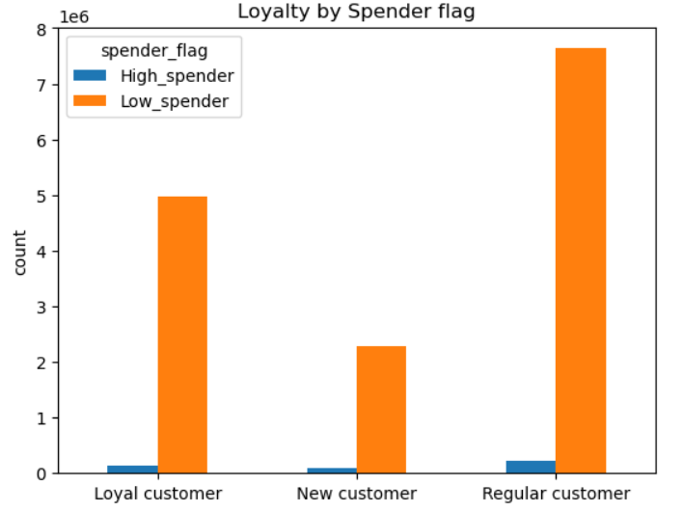

Question
Marketing and sales team: Are there differences in ordering habits based on loyalty status?

Commentry
Most customers are considered to be low spenders.

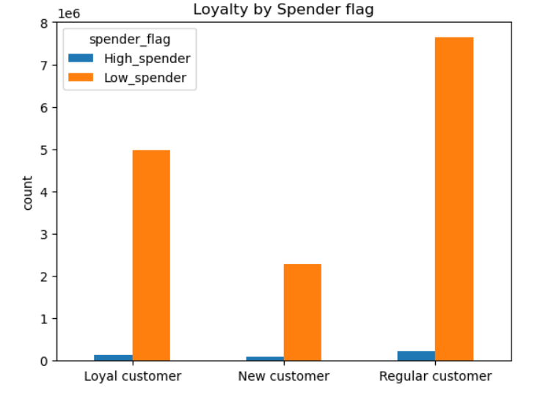

Question
Marketing and sales team: Are there differences in ordering habits based on region?

Commentry
Customers in the South and the West have the largest sales of produce, snacks and dairy/eggs.

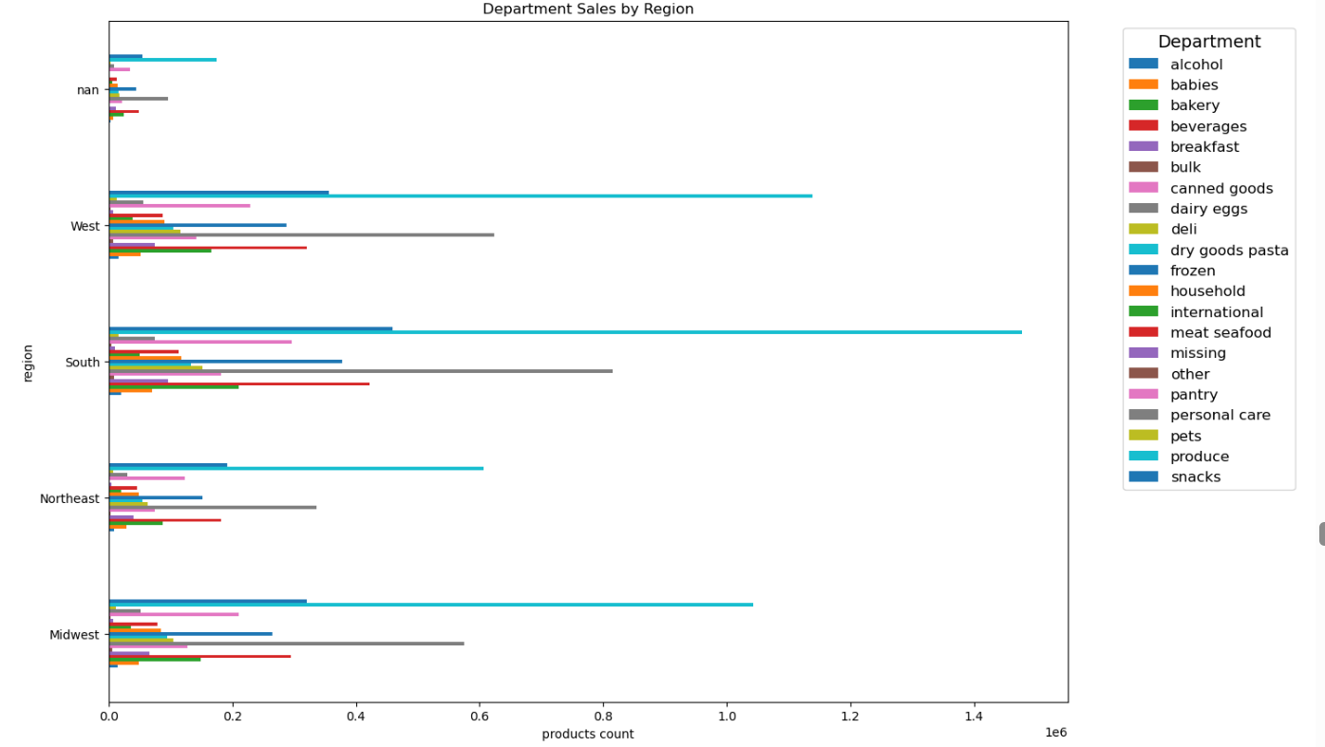

Question
Marketing and sales team: What different classification does the demographic information suggest?

Commentry
Most customers are adult or middle-aged, and have dependants. Also those in the upper income bracket tend to be over 40.

7. Recommendations
 |  |  | Title page

Recommendations

1
Question: What are the busiest days of the week and hours of the day?
Answer: | 1.Saturday and Sunday are the busiest days of the week where Tuesday and Wednesday are least busy days.
 | 2.The most arders are placed between 9am to 4pm wit h peak hours around 10am to 2pm.
Recommendation: As the middle of the week are the least busy days, have sales and cupons targeting those days to drive
 |  | higher sales during those times.
2
Question: Are there particular times of day when people spend the most money?
Answer: Sales are higher in the morning.
Recommendation: Although sales are higher in the morning this variation is very slight, on the order of m,agnitude of 10-20
 |  | cents.This variance seems to be almost statistical in nature, so there are no recommendations.
3
Question: Are there certain products that are more popular than others?
Answer: Produce, Dairy/eggs, snacks and beverages are the biggest sellers by department.
Recommendation: Coupons and specials for popular items such as Produse and Dairy are recommended to get people to place
 |  | orders. Coupons and specials for the least popular items such as international, alcohol, and bulk are recommended
 |  | to boost sales in those departments.
4
Question: Are there differences in ordering habits based on loyalty status?
Answer: Most customers are considered to be low spenders.
Recommendations: Would instant cart rather have high spenders of frequent shoppers? Discounts on the entire grocery purchase
 |  | would drive up spending per order, but probably reduce frequency.
5
Question: Are there differences in ordering habits based on region?
Answer: Customers in South and the West have the largest sales of produce, snacks and dairy/eggs.
Recommendations: Increse advertising and promotions in regions when there are fewer customers.

6
Question: What is the distribution among users as to how often they return to instacart?
 | Is there a connection between age and family status and ordering habits?
 | What different classification does the demographic information suggest? Age? Income? Certain types of goods? Family
 | Status?
Answers: Most customers are adult or middle-aged, married, and have dependants. Also those in the upper income bracket
 | tend to be over 40.
Recommendations: Have a bulk of coupons and discounts target typical family "whats for dinner" products, breakfast cereals, packable
 |  | lunches, etc. Target luxury products to those in the high-income group over 40.
7
Question: What differences can you find in ordering habits of different customer profiles? Consider the price of orders,
 | the frequency of orders, the products customers are ordering.
Answers: The key demographic for those using Instacart are adult to middle-age, middle-income parents. This makes sense as these
 | would be the larger holdholds that would consume more products.
Recommendation: Does Instacart want to reach out to more demographics?
 |  | Are there obstacles, such as familiarity with technology that id limiting customer growth among seniors?

 |  | A focus on products favored by families may drive people to place an order rather than writing.

 |  | What is the competitor for Instacart? Other delivery agencies? Preferring to shop at a certain store? Customers
 |  | shopping in the store instead of ordering? Perhaps Partnering with stores that the customers get a discount
 |  | of a free item for using instacart instead of shopping at the store.

